Language Policy
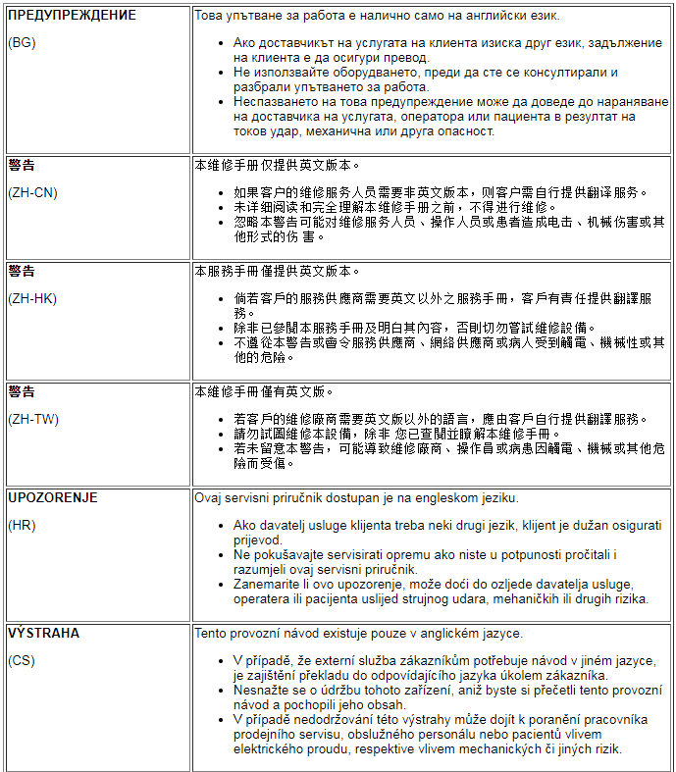
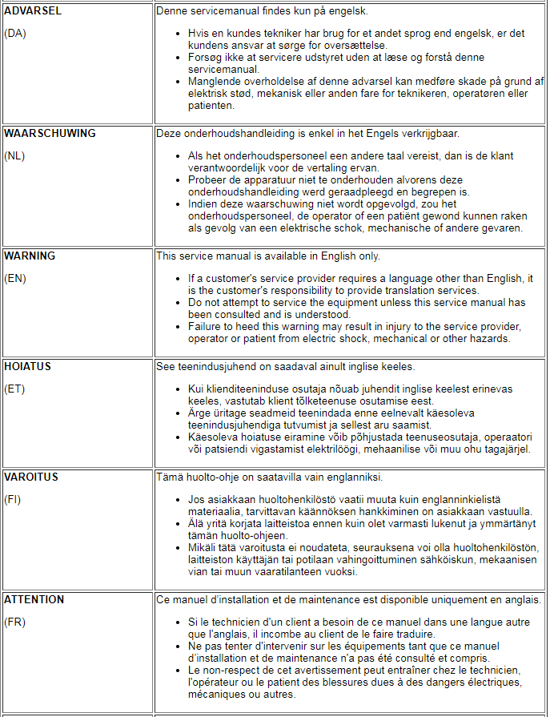
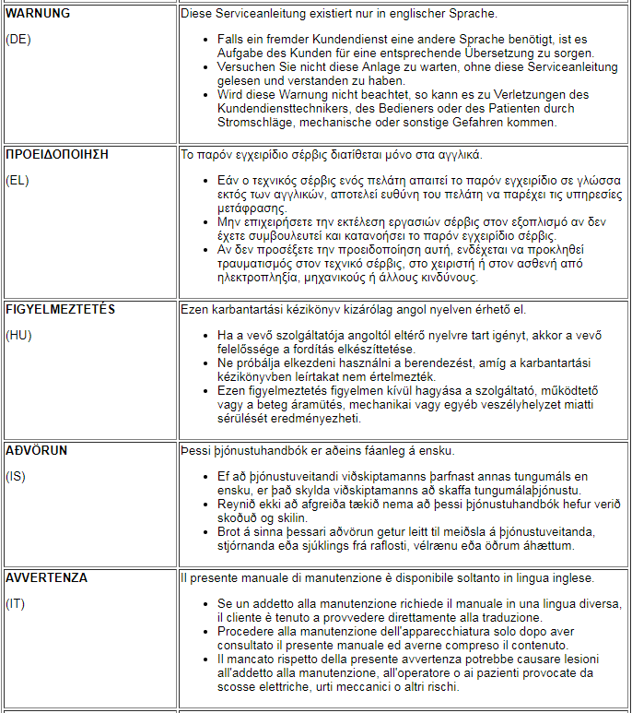
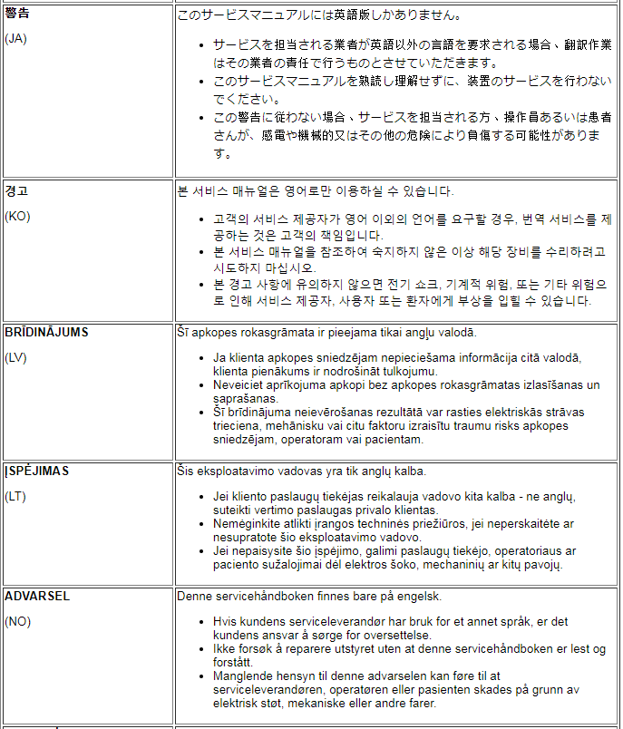
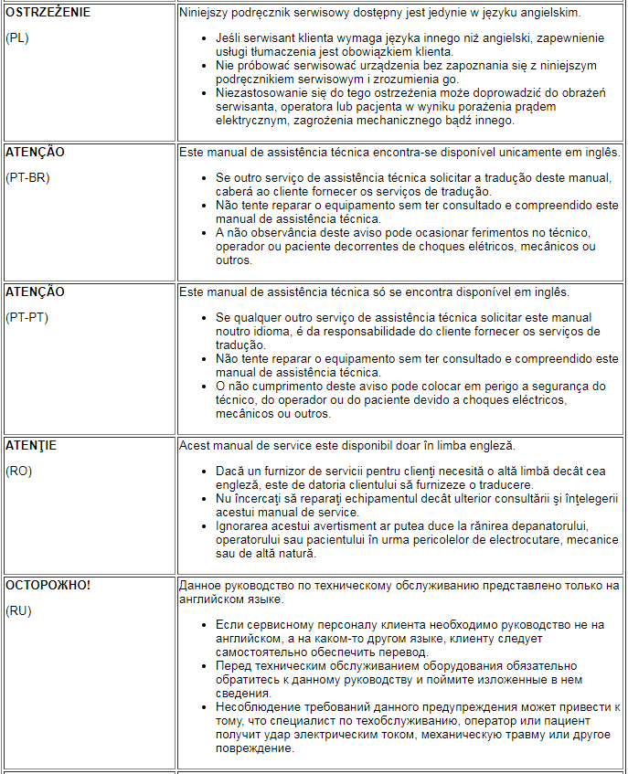
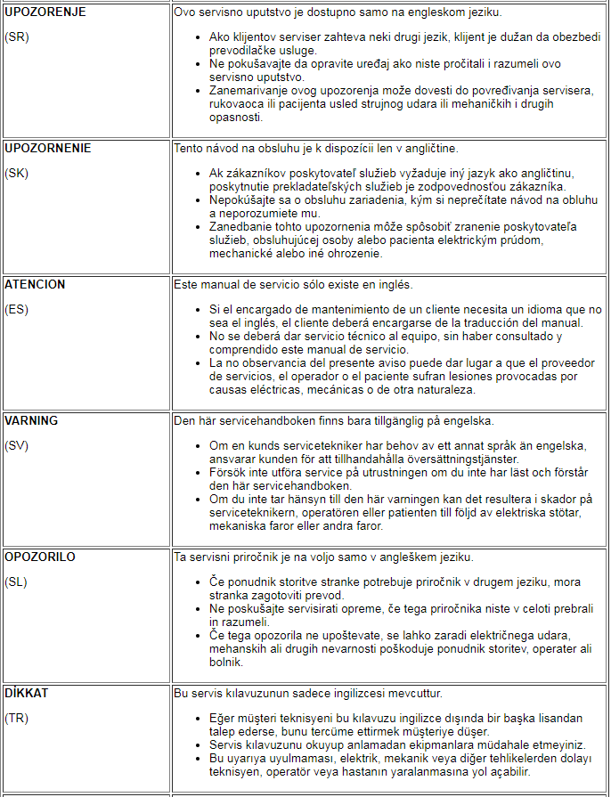

ePM Form Data
To check compliance of the system Applications Software and Service Pack, follow the steps
Software Revision Check for Safety:
Sl# | Description | Selection/Result
Input 1 | Select Product (Product Name on About MR Scanner) | SIGNA Pioneer | <--- Select Product Name on About MR Scanner
Input 2 | Select Product (Product Name on GI (Short Name)) | SignaPioneer | <--- Select Product Name on GI (Short Name)
Input 3 | Select Site Subregion | Global | <--- Select Site Subregion
Input 4 | Record Applications Software version installed on the system: | PX25.5_R04_2421.a | <--- Select Software Revision on System
Input 5 | Record Service pack number installed on the system: |  | <--- Record Service Pack installed on System

[
Output 1 | Latest Safety Applications Software Revision FMI Version: | PX25.5_R04_2421.a
Output 2 | Safety Applications Software With Refreshed FMI Version : | None | This SW release applies to more than 1 product as noted above. Per Capri-A NPI applicable products for 3.0T products are: Premier, Hero, Pioneer, Architect, Architect T, MR750W GEM, MR750. Per Tang Ab NPI applicable products are for 1.5T products: SIGNA Artist 1.5, SIGNA Artist EVO, SIGNA Prime, SIGNA Victor, SIGNA Star AIR, and SIGNA Aviator AIR. The Service Pack (MR30.1_R04_2421.a.PA) is to support SIGNA Pioneer hardware configuration delivered in ECHO program, which is for China Mainland only. It is not related to safety issue.
Output 3 | Minimum Safety Service Pack from MR SW Matrix | None

 | PM Software Revision Check for Safety Pass/Fail Criteria |  | Actions
Pass | Applications Software Revision on System is at or later than the Applications Software Revision Required (Ouput 1 above) AND Service Pack on System is at or later than the Minimum Safety Service Pack (Output 3 above) |  | Record "Pass" for the PM checks
FMI being deployed | Output 1 or Output 3 indicates Safety FMI(s) Required, but has not been deployed to site Check the "MR SW Matrix" sheet for FMI closure date If Closure date is past, then mark PM check for SW as fail |  | 1. Record "FMI being deployed" and close out PM 2. Wait for deployment
Customer Refused/Postponed | 1. Check CRM for Customer Refusal Code (3 or 4) 2. Contact FMI Admin to check for refusal references |  | 1. If satisfactory references are found, then record Customer Refused/Postponed in ePM form and close out PM 2. If no references are found and customer still refuses FMI, document refusal on the refusal form and update CRM 3. If customer does not refuse, then mark PM as fail, create SR and install the FMI/Software
Fail | Conditions above are not met |  | Record PM as Fail, create SR and install the FMI/Software

Note: | Always make sure you are accessing the latest revision of this file from SIMS content Viewer or Common Documentation Library

